word calculation
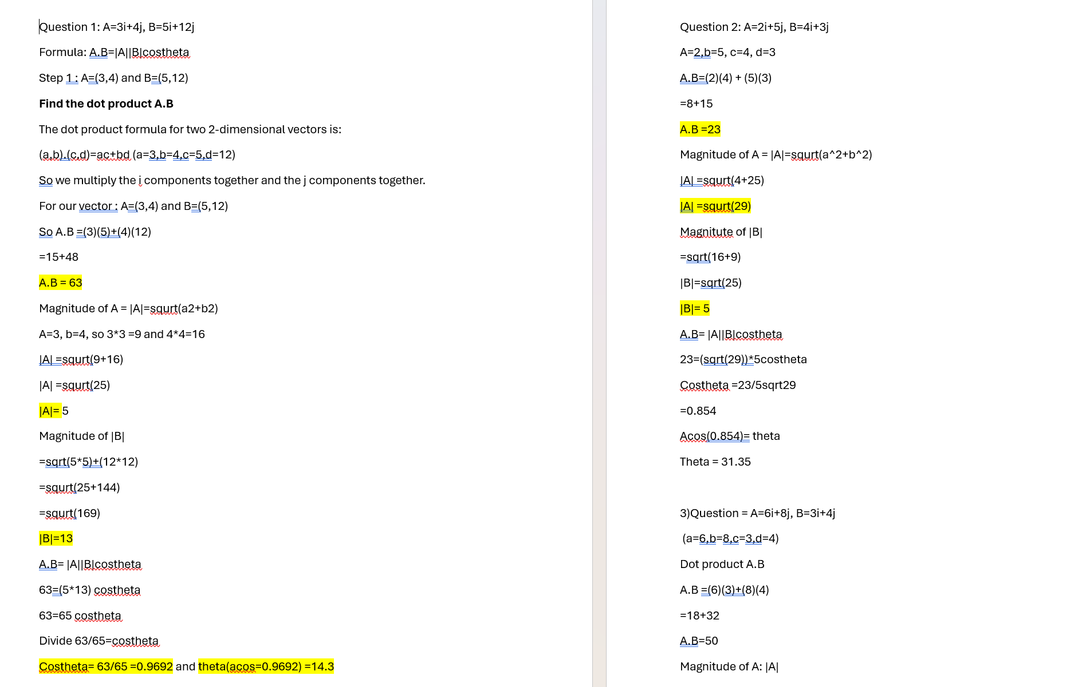

this is how I dd the detailed calculations to learn

calculator screen shot
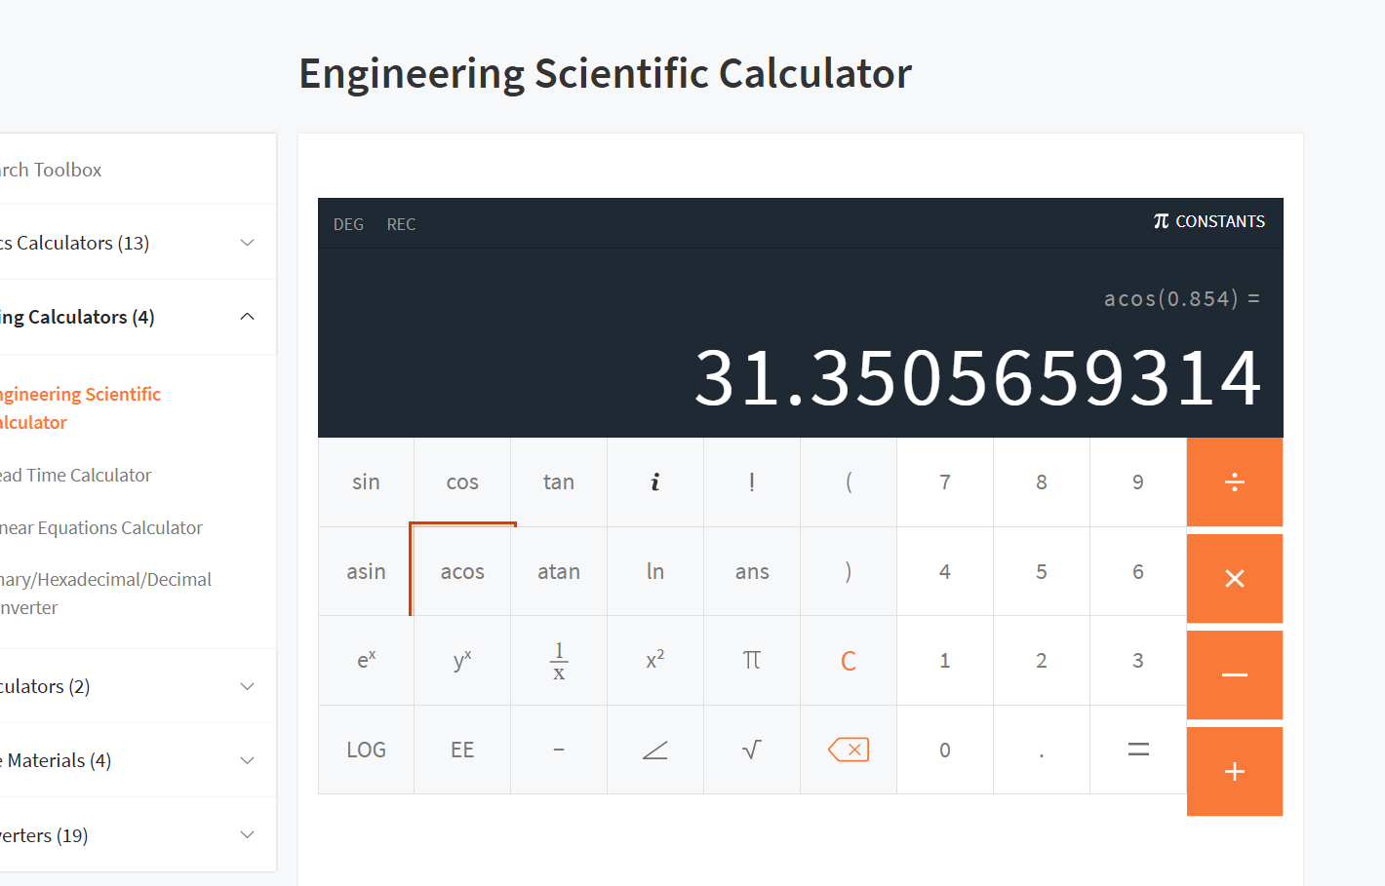

calculator used screen shot

